Formulas
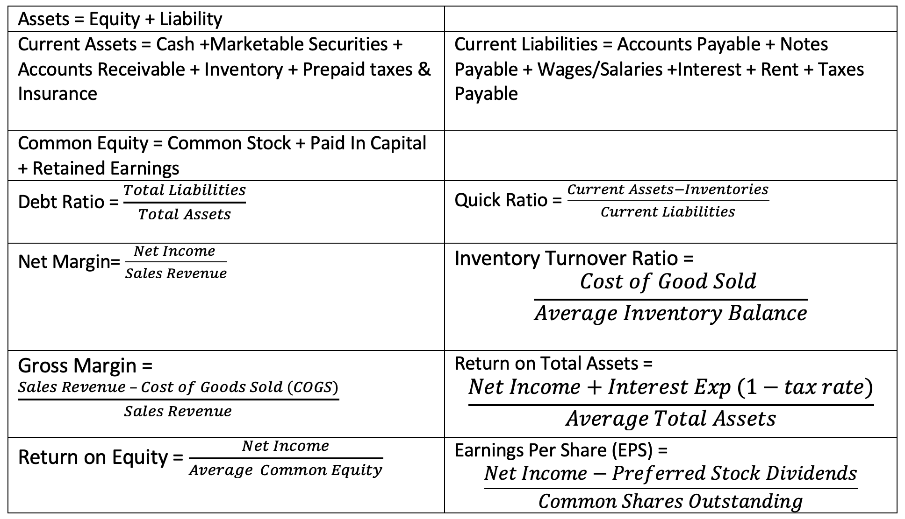
Equation Type | Name | Accounting Formulas for Engineering Economics
Basic Accounting Equation | Assets | Assets = Liabilities + Equity
Definition | Current Assets | Current Assets = Cash + Cash Equivalents + Accounts Receivable + Inventory + Prepaid Items
Definition | Current Liabilities | Current Liabilities = Accounts Payable + Wages Payable + Taxes Payable + Other Payable
Definition | Common Shareholder Equity | Common Shareholder Equity = Common Stock + Retained Earnings + Additional Paid in Capital
Debt | Debt Ratio | Debt Ratio = Total Liabilities/Total Assets
Liquidity (Can I pay my bills) | Quick Ratio | Quick Ratio (Liquidity) =(Current Assets - Inventory)/Current Liabilities
Profitability | Return on Common Equity | Return on Common Equity = Net Income/AVERAGE Shareholder Equity
Profitability | Return on Total Assets | Return on Total Assets = [Net Income + Interest Expense (1-Tax Rate)]/AVERAGE Total Assets
Profitability | Gross Margin Ratio | Gross Margin Ratio = (Sales Revenue - Cost of Goods Sold)/Sales Revenue
Profitability | Net Margin Ratio | Net Margin Ratio = Net Income/Sales Revenue
Asset Management | Inventory Turnover Ratio | Inventory Turnover Ratio (Mfg) = Cost of Goods Sold/AVERAGE Inventory Balance
Market Analysis | Earnings per share | Earnings per Share (EPS) = Net Income-Preferred Stock Dividends/Common Shares Outstanding

Original statements
